Bill of Materials-BPKD
Comment | Description | Designator | Quantity
XKC-Y25-V | XKC-Y25-RS485 Контроллер уровня жидкости Бесконтактный датчик уровня жидкости. Напряжение: 5-24 В. С поддержкой интерфейса RS485 Космодром код товара: 00-00068438 |  | 1
14mm high precision level sensor water shortage protection tank detection water level switch sensor water level Sensor | https://www.aliexpress.com/item/1005006001064338.html?src=google&traffic_server_nav=true&src=google&albch=shopping&acnt=768-202-3196&isdl=y&slnk=&plac=&mtctp=&albbt=Google_7_shopping&aff_platform=google&aff_short_key=UneMJZVf&gclsrc=aw.ds&albagn=888888&ds_e_adid=&ds_e_matchtype=&ds_e_device=c&ds_e_network=x&ds_e_product_group_id=&ds_e_product_id=ru1005006001064338&ds_e_product_merchant_id=108989266&ds_e_product_country=UA&ds_e_product_language=ru&ds_e_product_channel=online&ds_e_product_store_id=&ds_url_v=2&albcp=23781134785&albag=&isSmbAutoCall=false&needSmbHouyi=false&gad_source=1&gad_campaignid=23776496084&gbraid=0AAAABCRFad-h2rmY_ndPheD7FXO4Tbrgv&gclid=CjwKCAjw0dPRBhAPEiwAE5vTTrOt0o9HNwpzfJ0kx6whvEreEknk7Mu3749ajS-UNyLupYChQemmkRoCA-EQAvD_BwE#nav-specification |  | 5 | 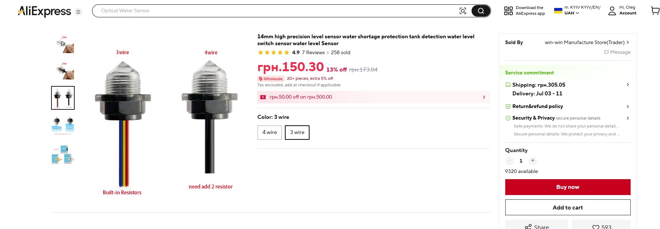
Compact photoelectric contact type high-precision intelligent liquid level sensor with water shortage reminder protection functi | https://www.aliexpress.com/item/1005012190293393.html?spm=a2g0o.detail.pcDetailTopMoreOtherSeller.3.6465NrYfNrYfFT&gps-id=pcDetailTopMoreOtherSeller&scm=1007.40050.354490.0&scm_id=1007.40050.354490.0&scm-url=1007.40050.354490.0&pvid=1cf27c17-1552-47ad-83ce-0503af8fdfff&_t=gps-id%3ApcDetailTopMoreOtherSeller%2Cscm-url%3A1007.40050.354490.0%2Cpvid%3A1cf27c17-1552-47ad-83ce-0503af8fdfff%2Ctpp_buckets%3A668%232846%238108%231977&pdp_ext_f=%7B%22order%22%3A%223%22%2C%22eval%22%3A%221%22%2C%22sceneId%22%3A%2230050%22%2C%22fromPage%22%3A%22recommend%22%7D&pdp_npi=6%40dis%21UAH%21160.43%21147.60%21%21%2122.00%2120.24%21%402103849717817680215078962e0d66%2112000057719323695%21rec%21UA%21%21ABX%211%210%21n_tag%3A-29910%3Bd%3Aaeeb7a3%3Bm03_new_user%3A-29895&utparam-url=scene%3ApcDetailTopMoreOtherSeller%7Cquery_from%3A%7Cx_object_id%3A1005012190293393%7C_p_origin_prod%3A |  | 5 | 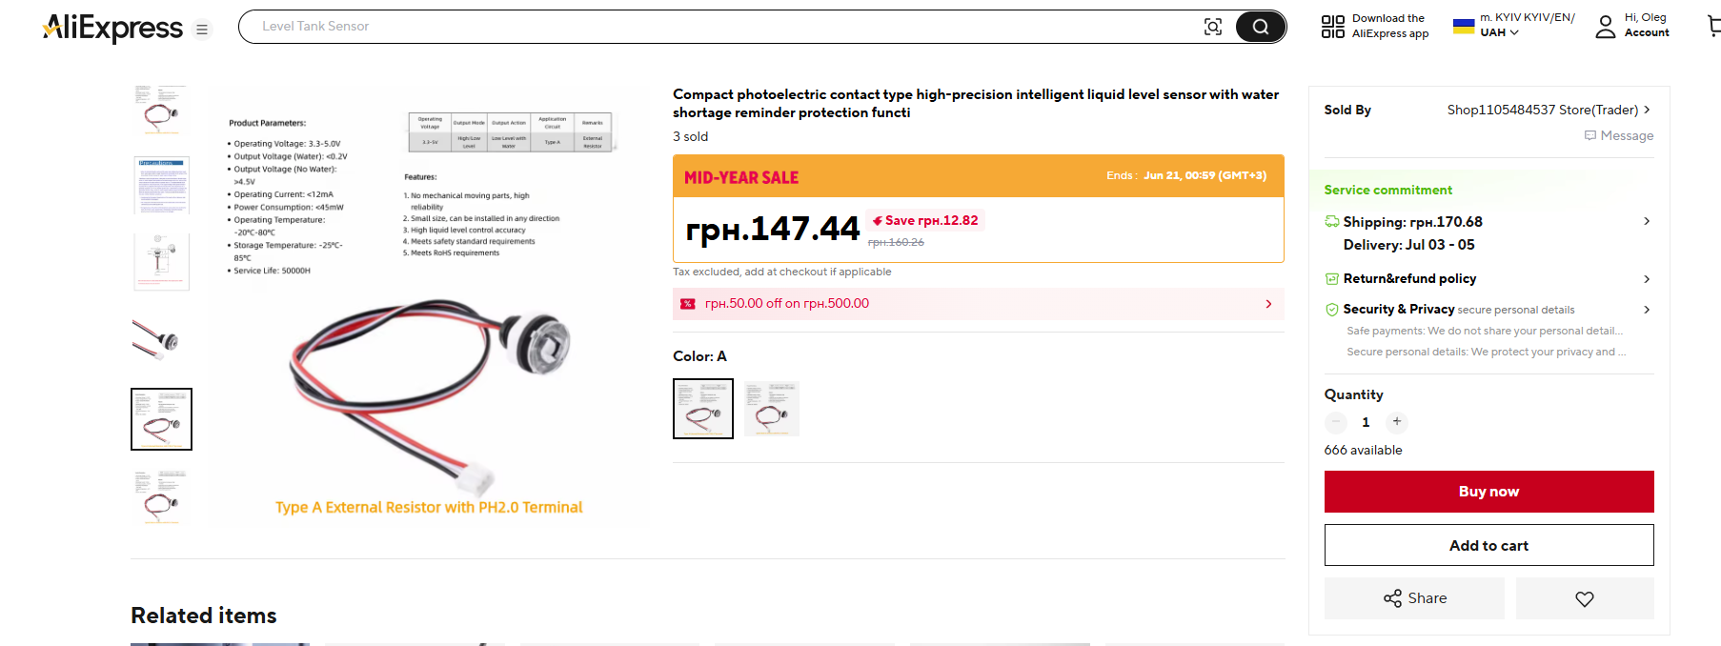
MAM00014 MAGNETI MARELLI Электробензонасос | https://romario-auto.com/buy/magnetimarelli_mam00014/ |  | 1

